Summary
Probe URLs - Web Application Security Assessment
Web Application Security Testing - Overview
Issue Mapping against OWASP Top 10 - 2021

 | Risk Rating | Initial Assessment
 | Critical | 1
 | High | 2
 | Medium | 3
 | Low | 5
 | Information Only | 1
 | Total Observations | 12

OWASP Top 10 2021 |  | Count
A1 - Broken Access Control |  | 0
A2 - Cryptographic Failures |  | 0
A3 - Injection |  | 1
A4 - Insecure Design |  | 1
A5 - Security Misconfiguration |  | 7
A6 - Vulnerable and Outdated Components |  | 2
A7 - Identification and Authentication Failures |  | 1
A8 - Software and Data Integrity Failures |  | 0
A9 - Security Logging and Monitoring Failures |  | 0
A10 - Server-Side Request Forgery |  | 0

Annexure
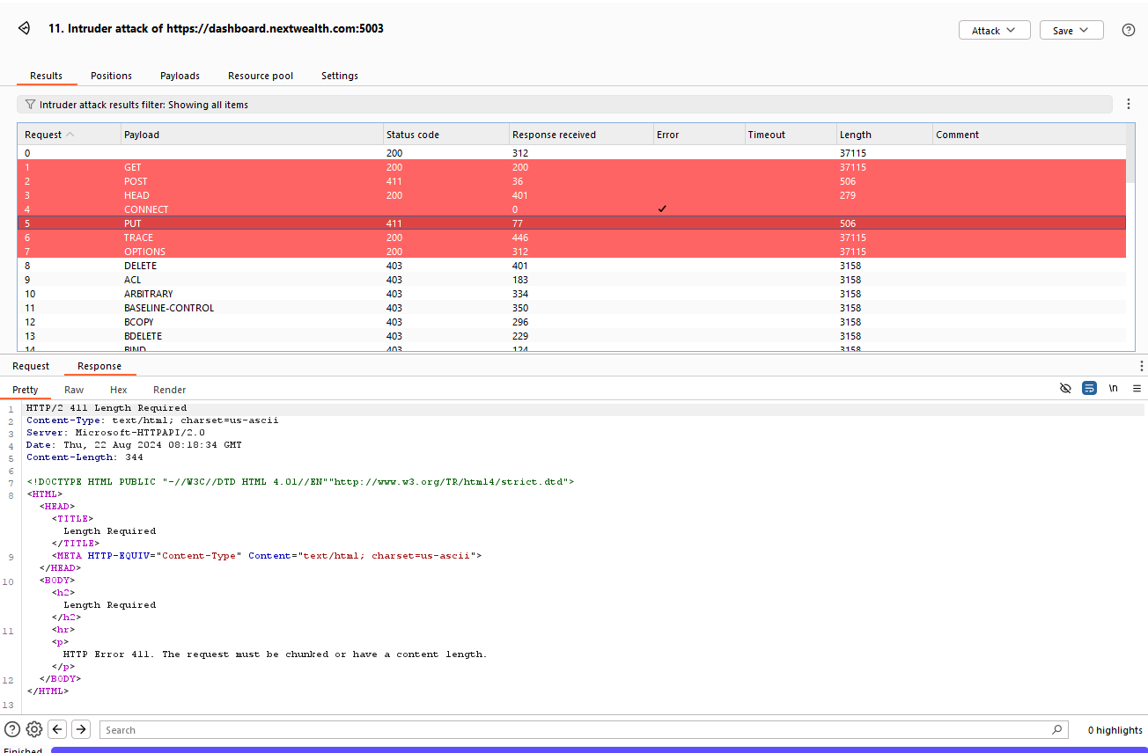
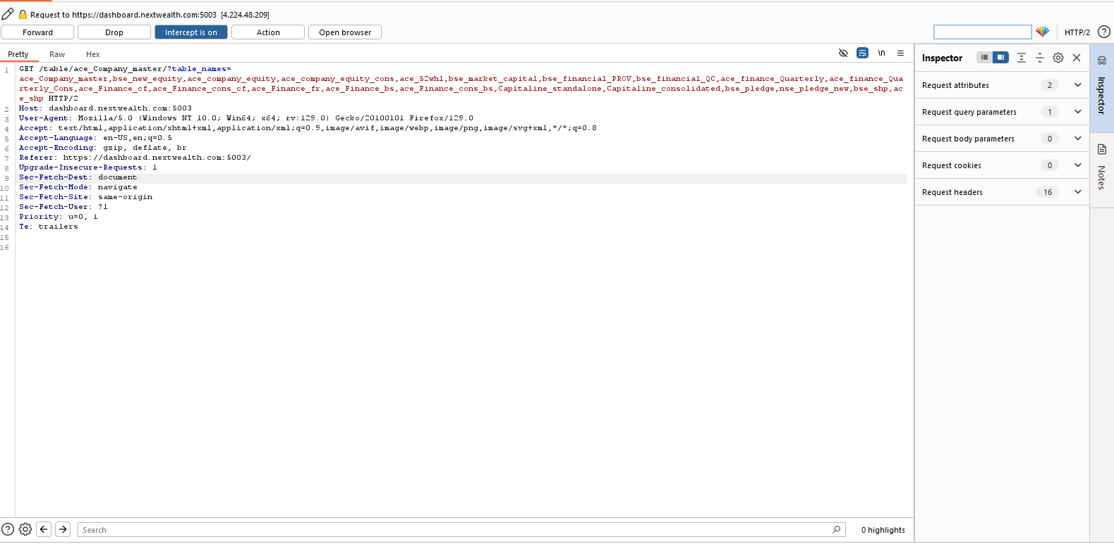
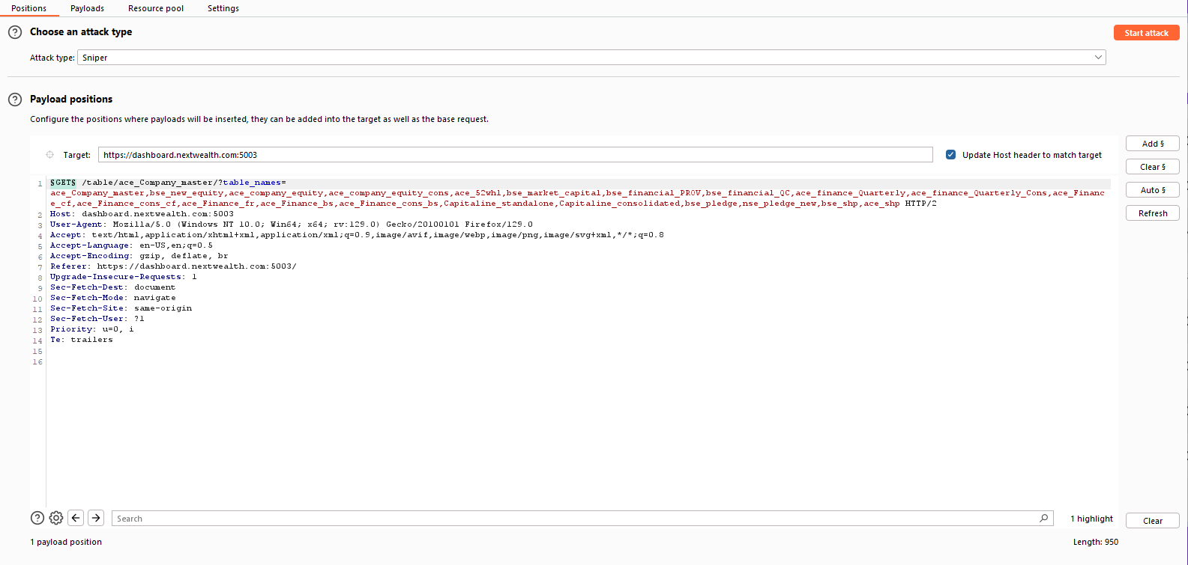
Broken Authentication

Step 1: Make a normal GET to the API Endpoint
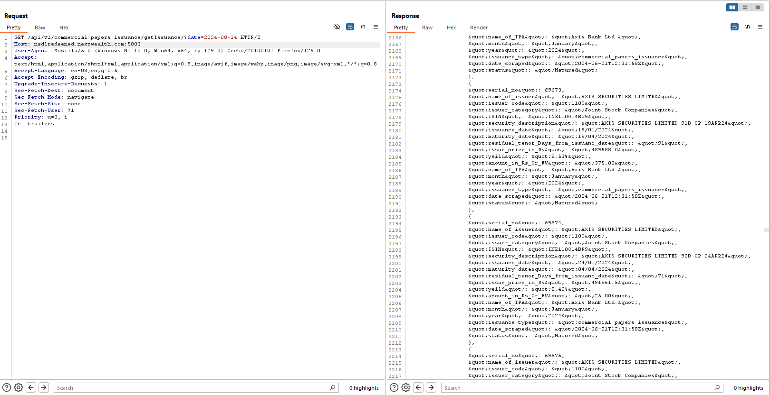

Improper Input Handling leads to Sensitive data Disclosure

Step 1:Intercept the Request in Burp Suite and Send it to intruder | Step 2: Modify the date parameter value with a invalid input |  |  | Step 3: Observe that the sensitive data being disclosed in the response |  | Details of backend environment variables | Observe that the sensitive data being disclosed in the response
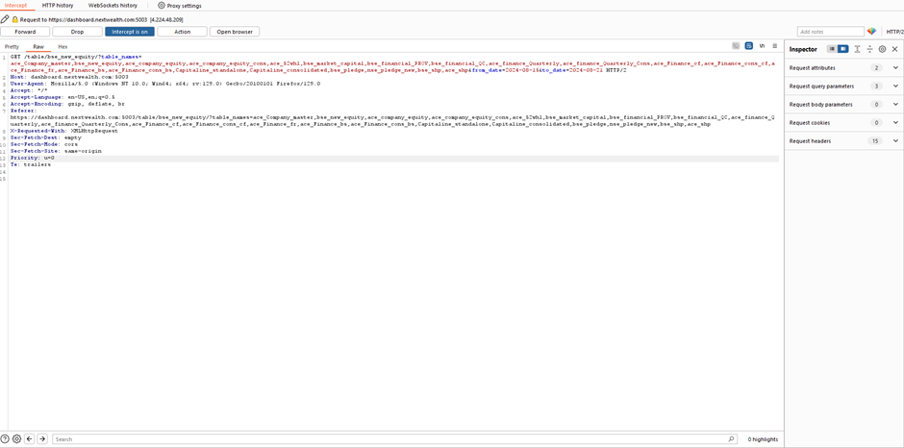
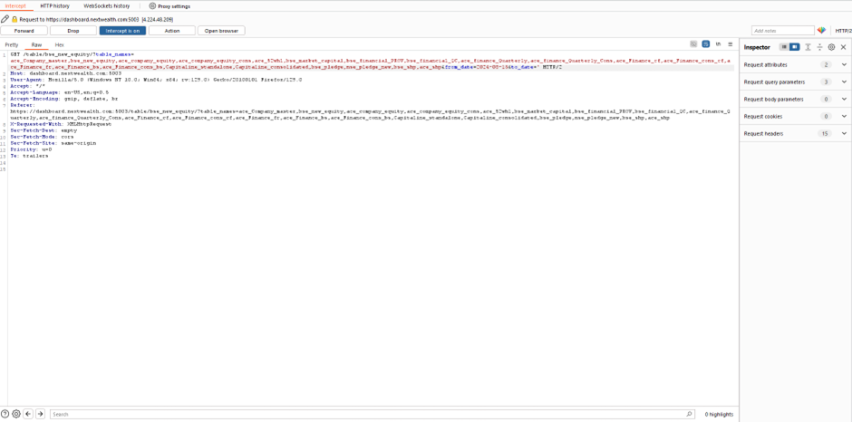
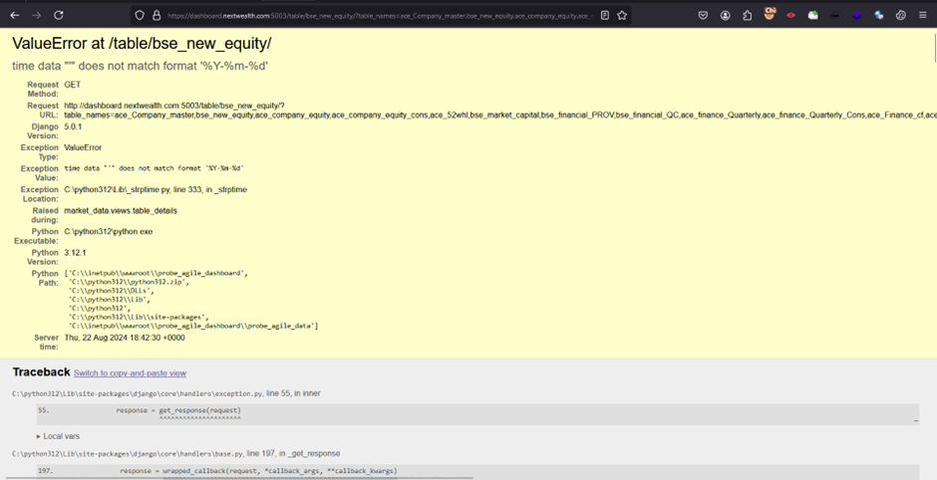
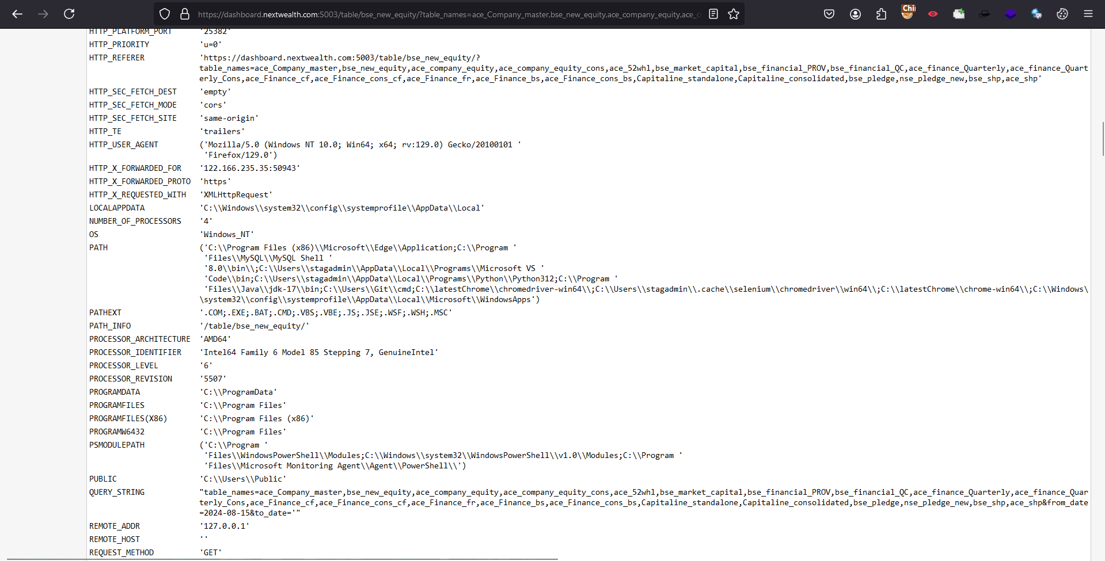
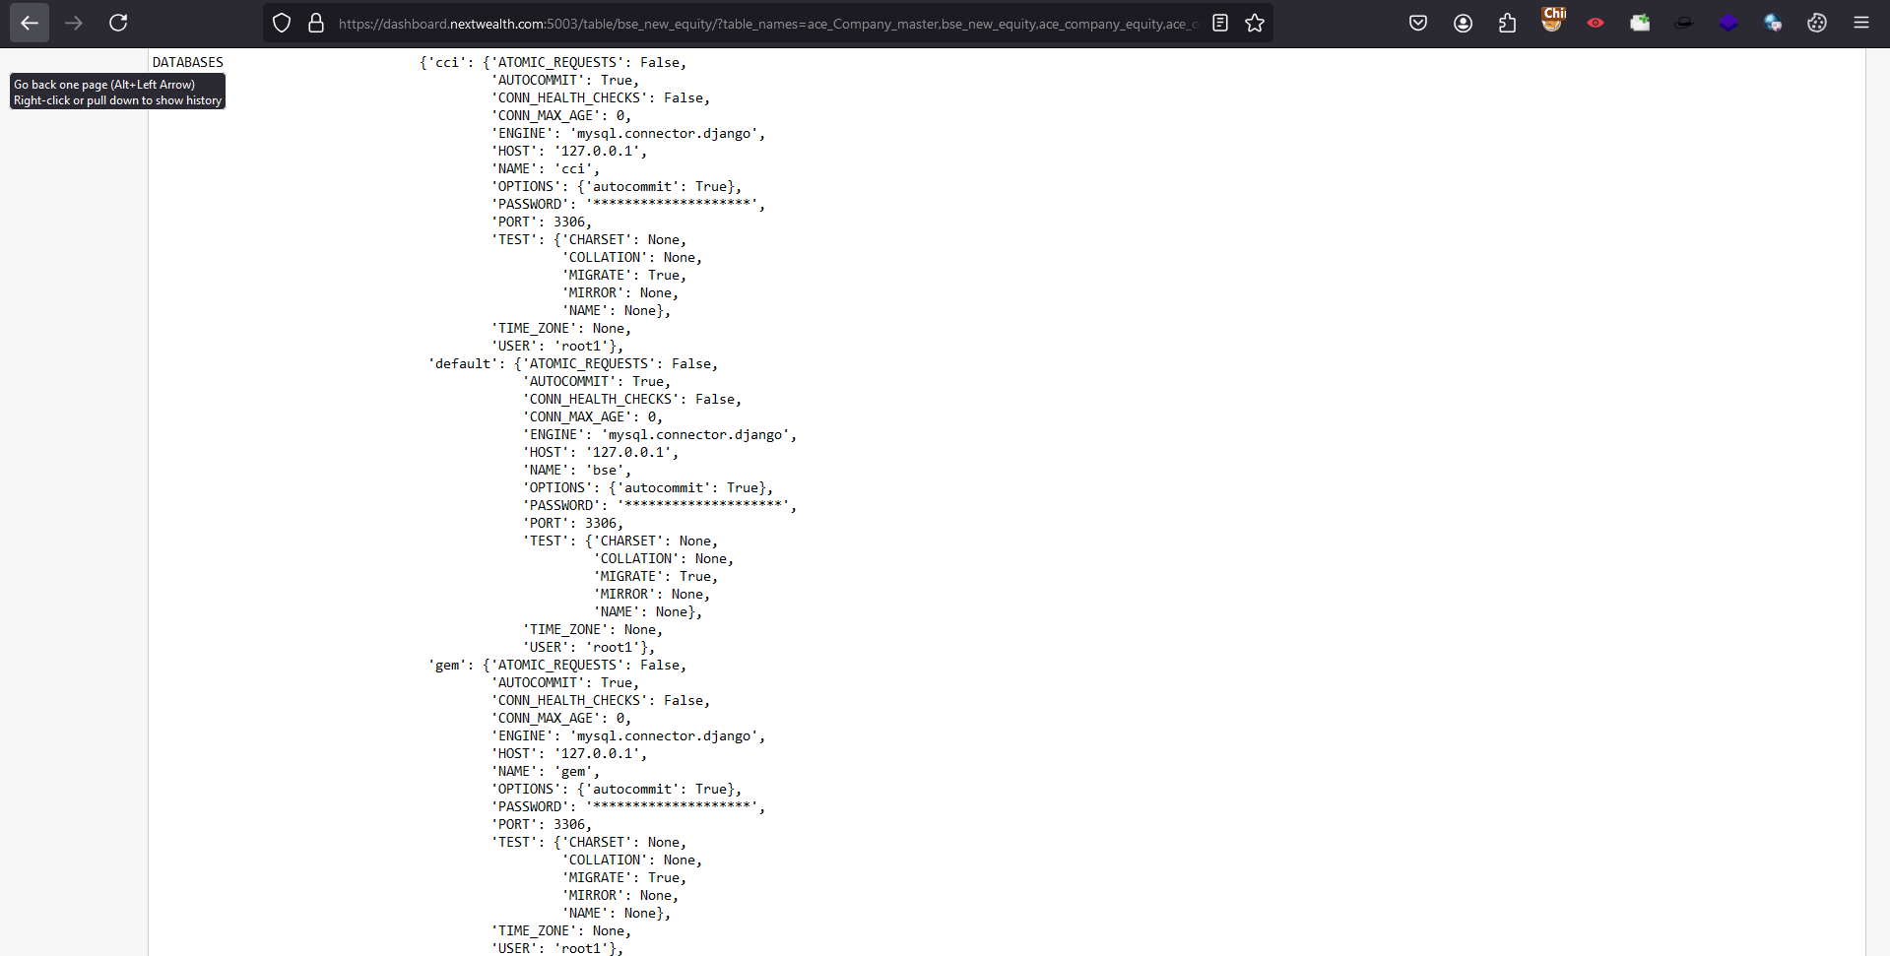

Excessive Data Exposure via API Endpoint
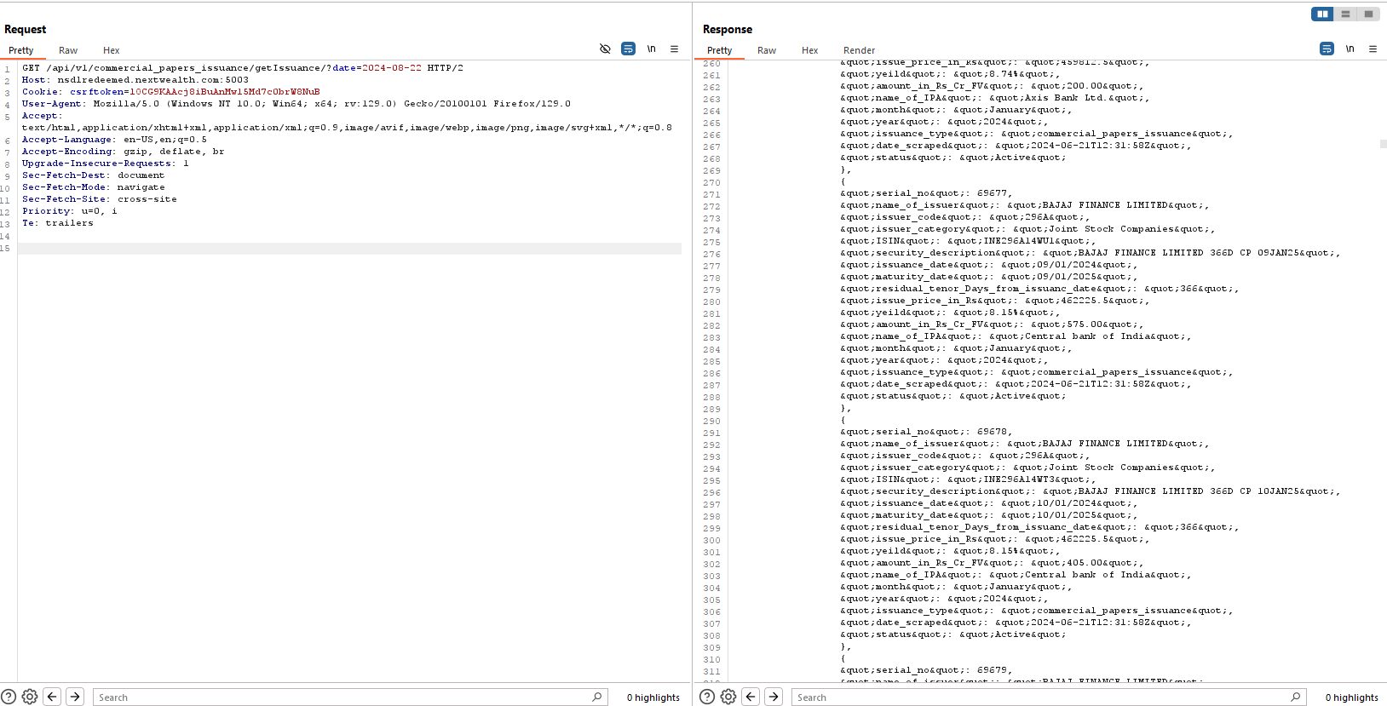
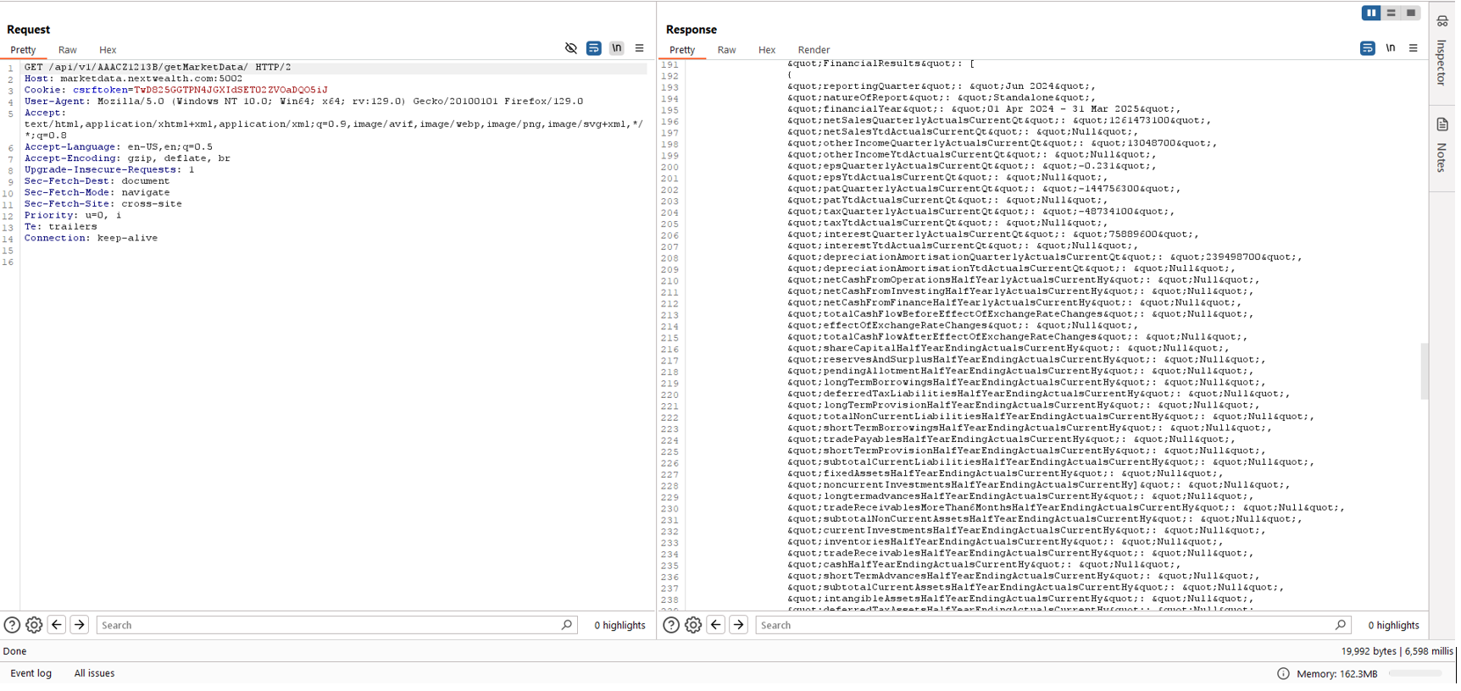
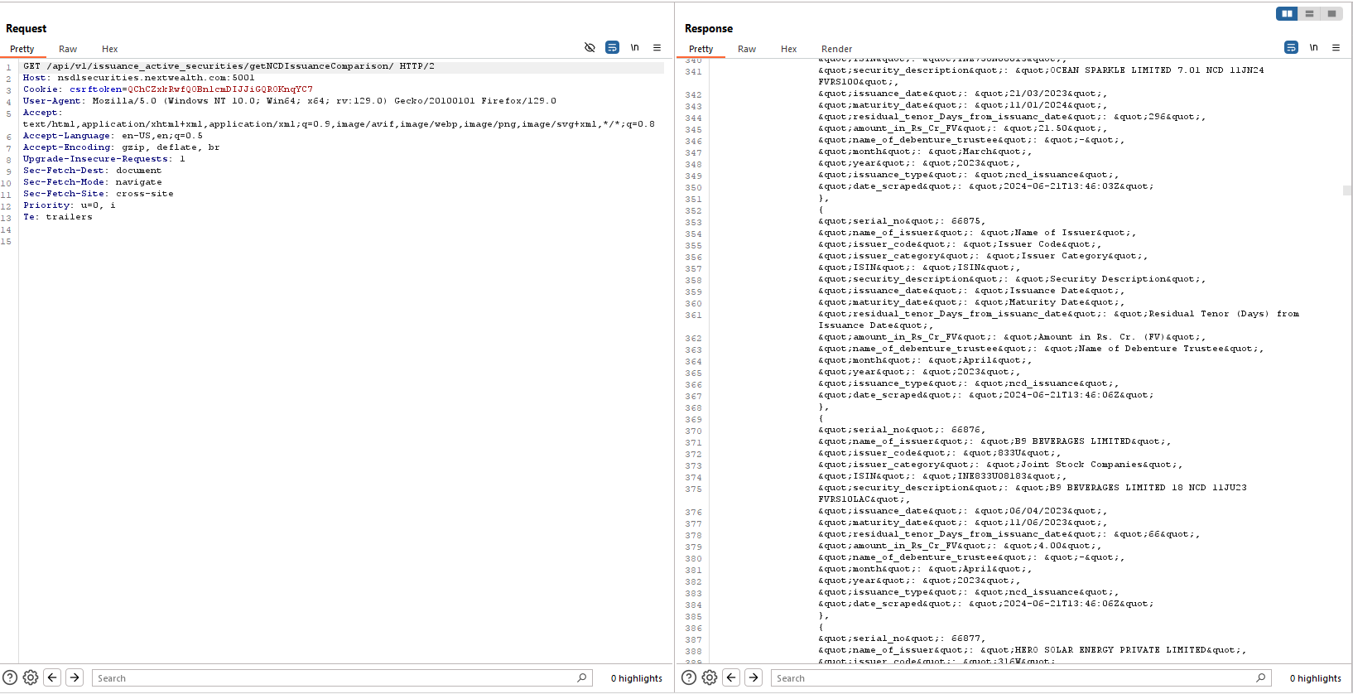

Admin Page Disclosure

Step 1: Make a simple get request to "https://dashboard.nextwealth.com/admin" endpoint
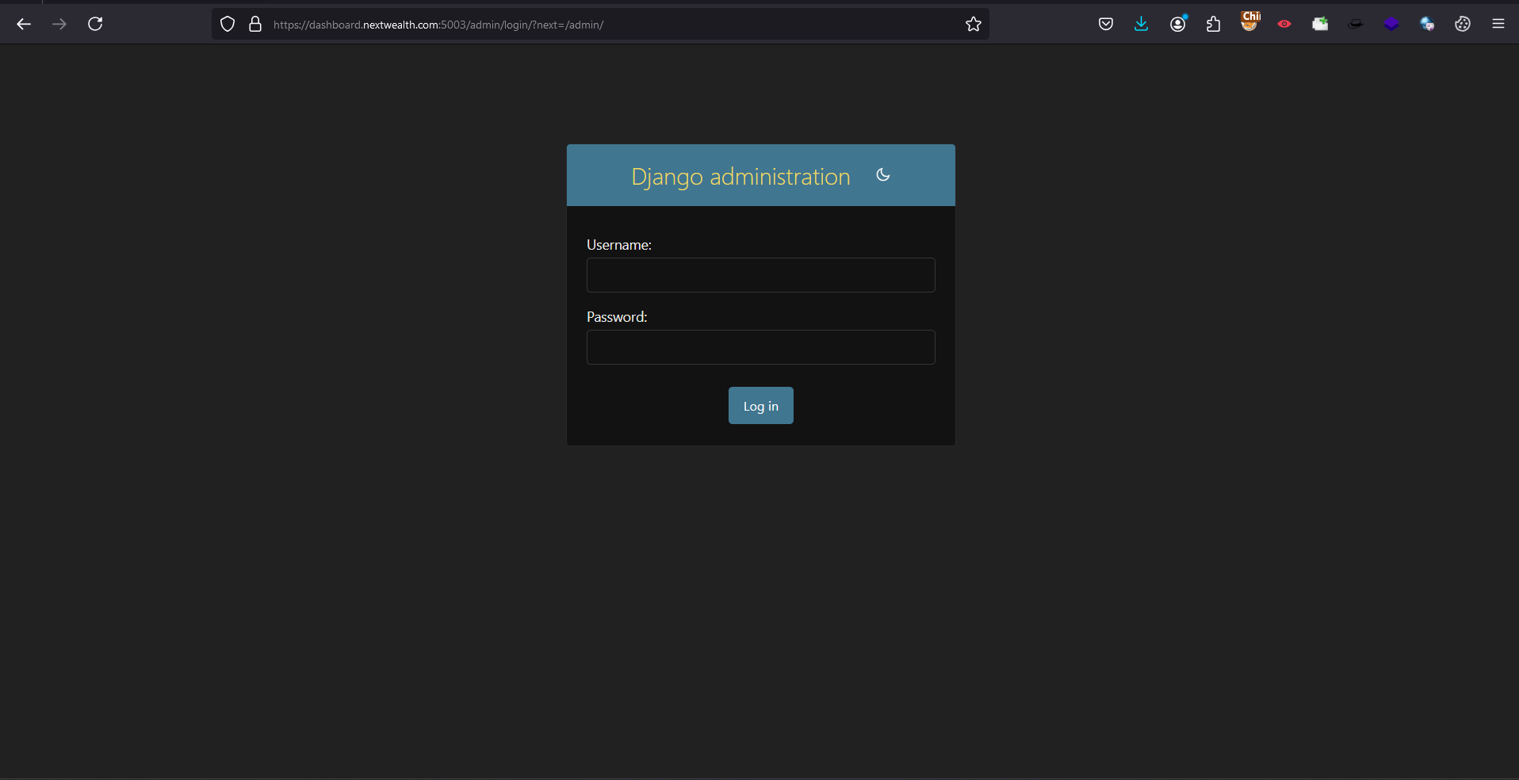

No Rate Limiting

Step 1:Intercept the Request in Burp Suite and Send it to intruder | Step 2:Select the Target Position and Start the attack |  | Step 3: Test team was able to send many request in short span of time
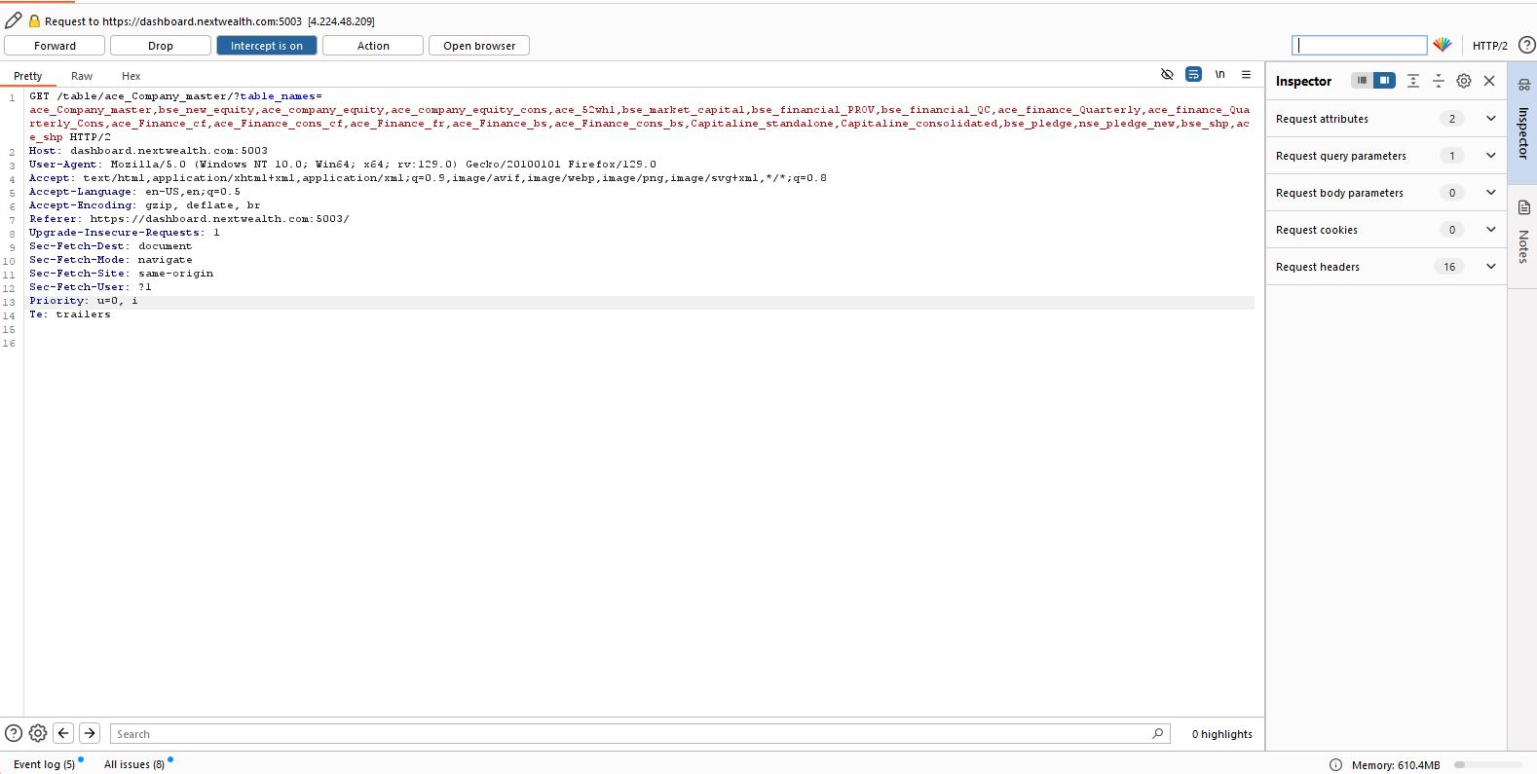
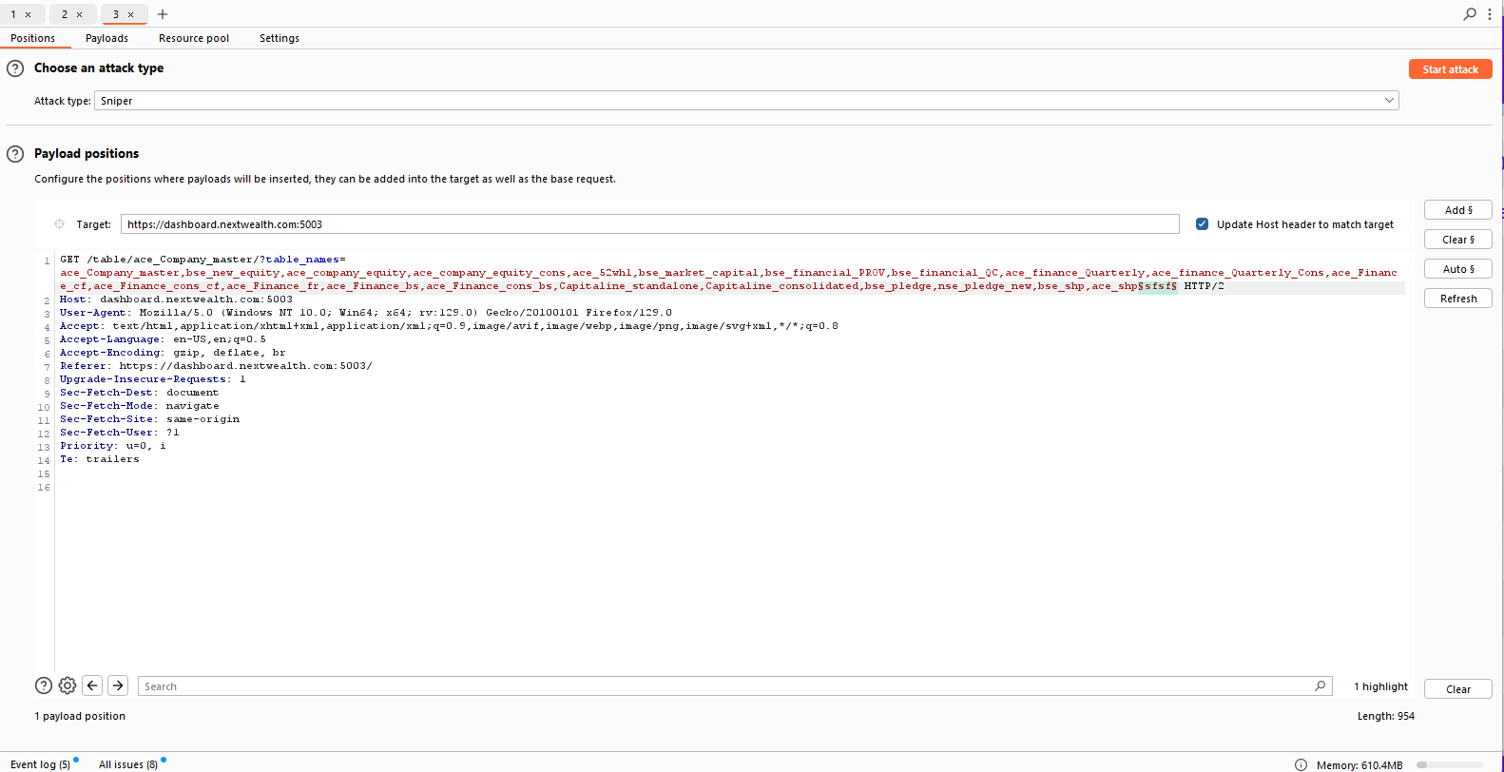
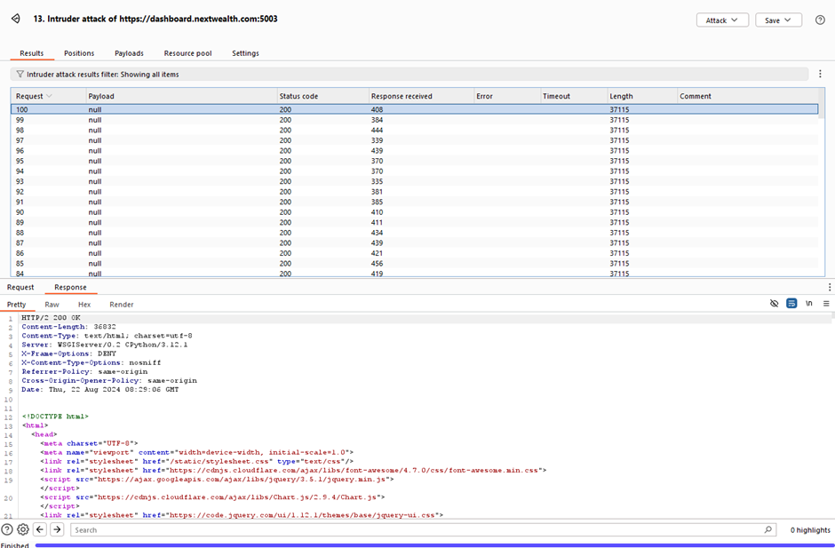

Improper Error Handling leading to Sensitive Information Disclosure
Scenario 2:
Step 1:Make a GET request to invalid path and observe the response
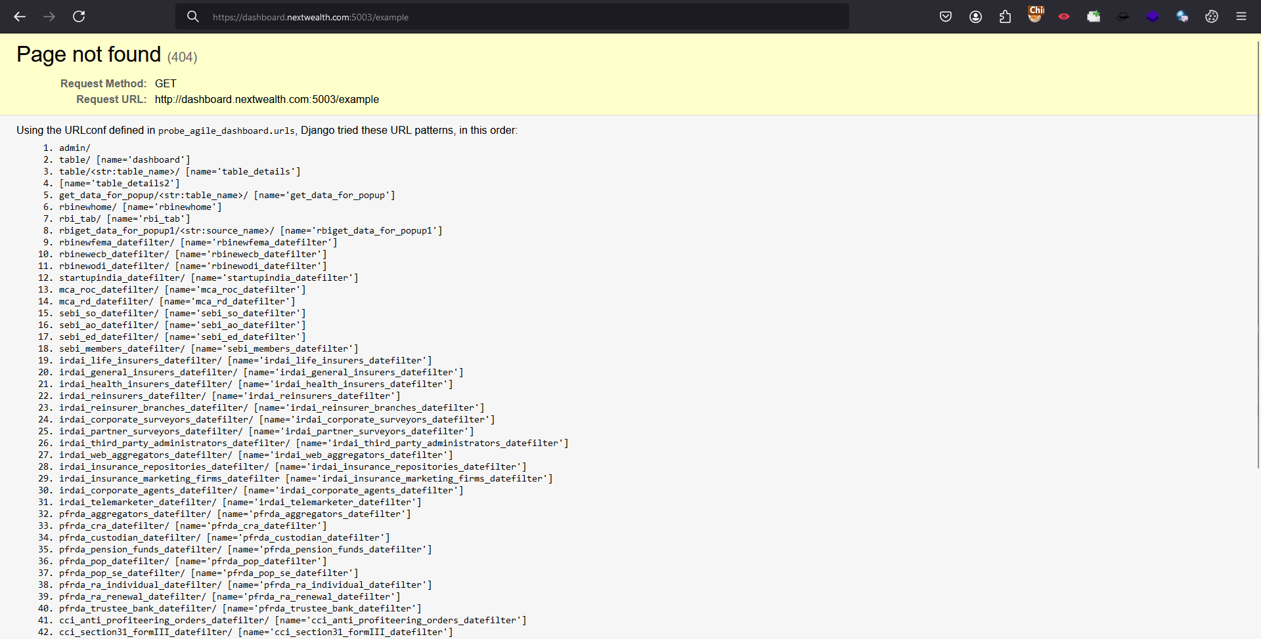

Insecure Cross-Origin Resource Sharing (CORS) Configuration

Step 1: Add the origin value as evil.com and observe the response
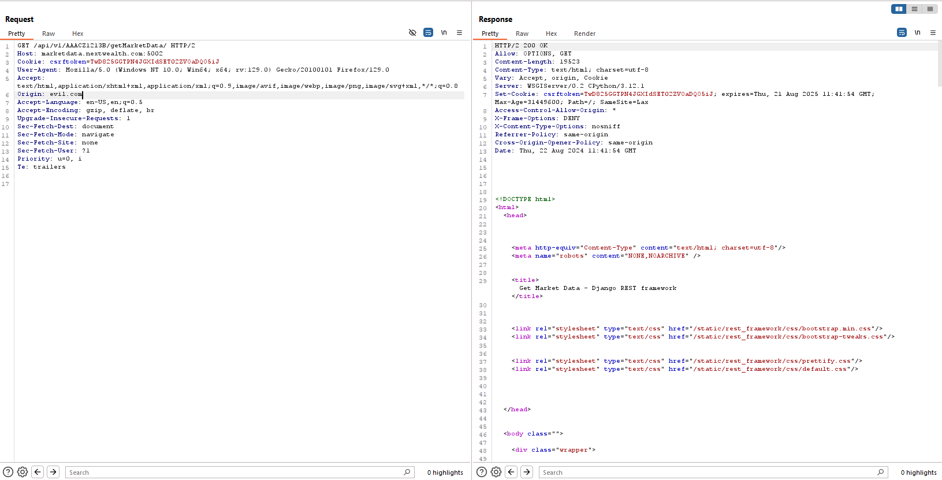

Vulnerable/Outdated Components are in use
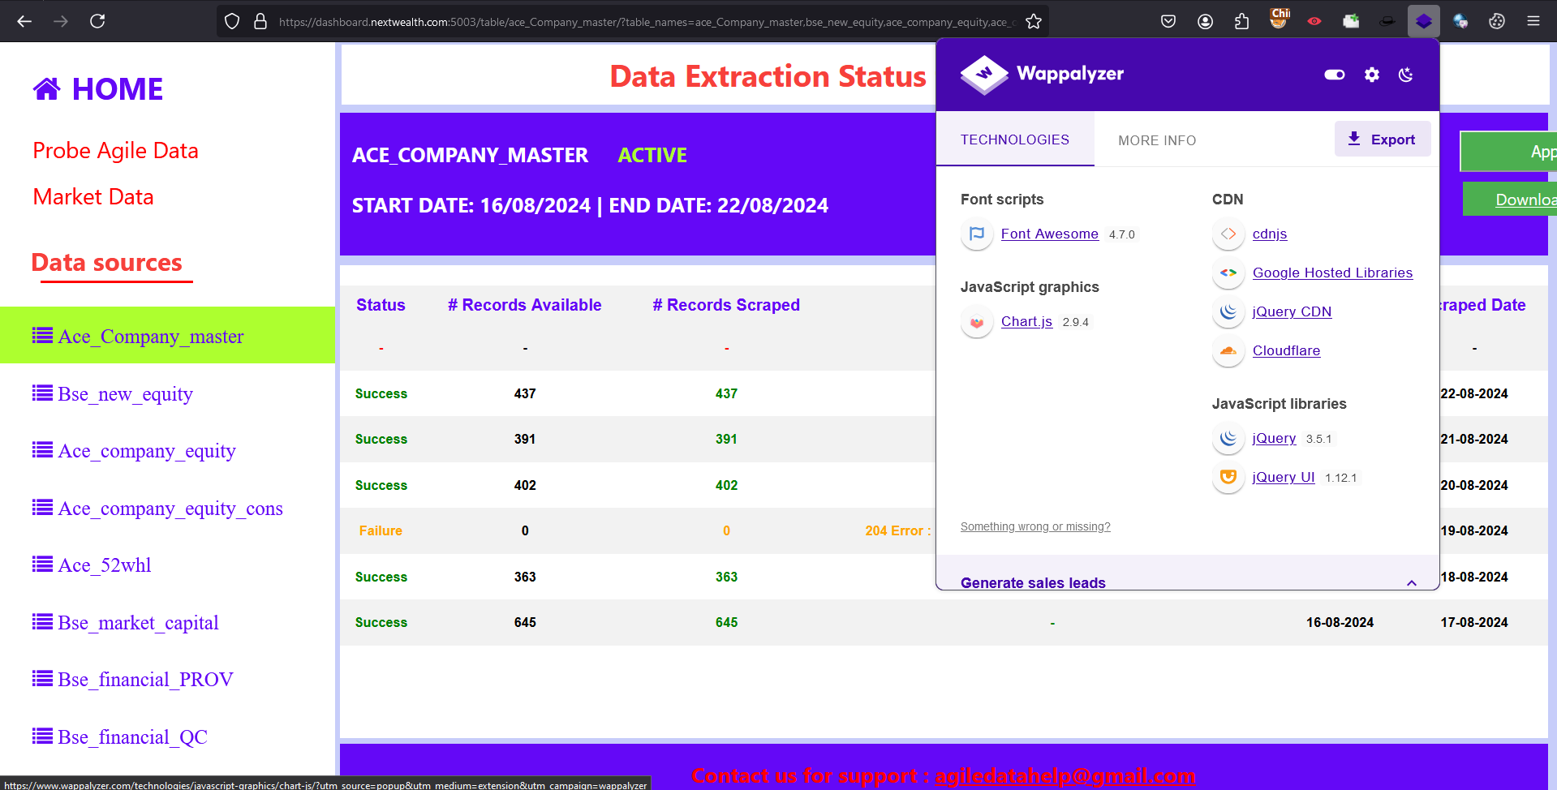

Data Schema Exposure

Step 1: Make a simple GET request to the data source and observe the URL
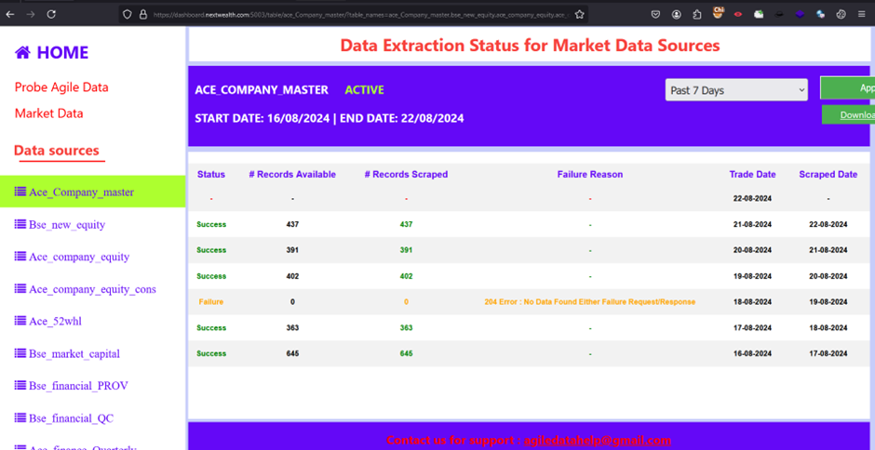

Server Information Disclosure through response
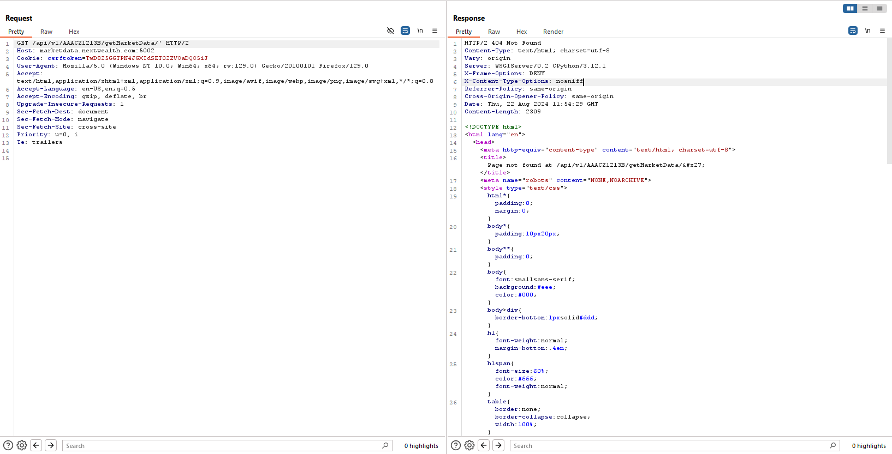
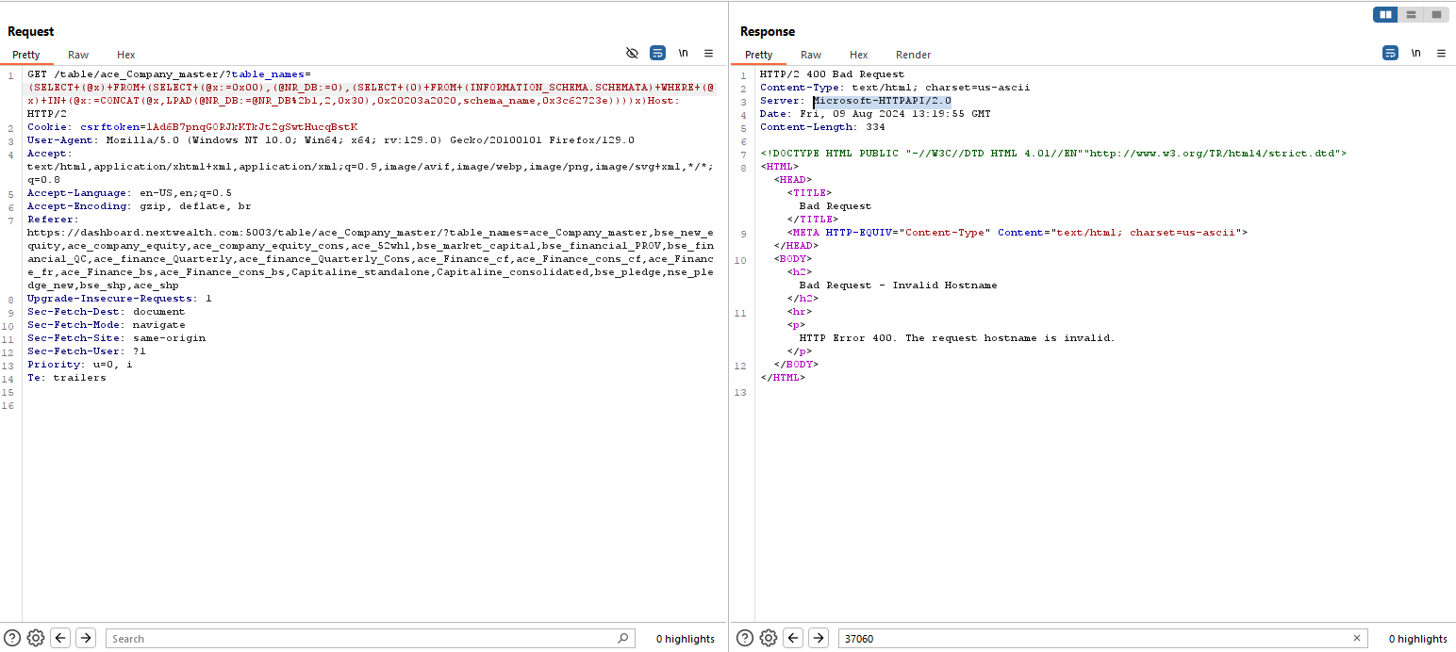

Missing Security Headers
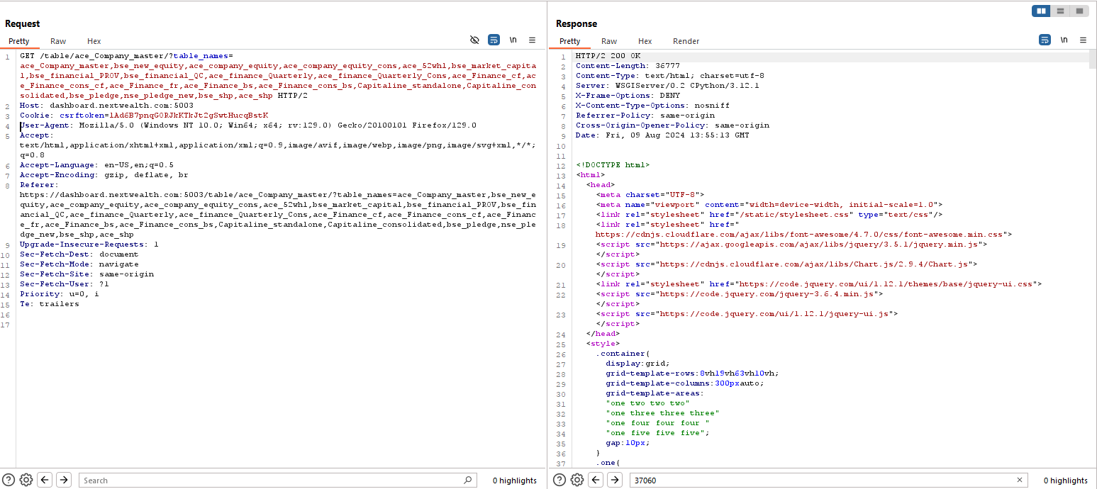
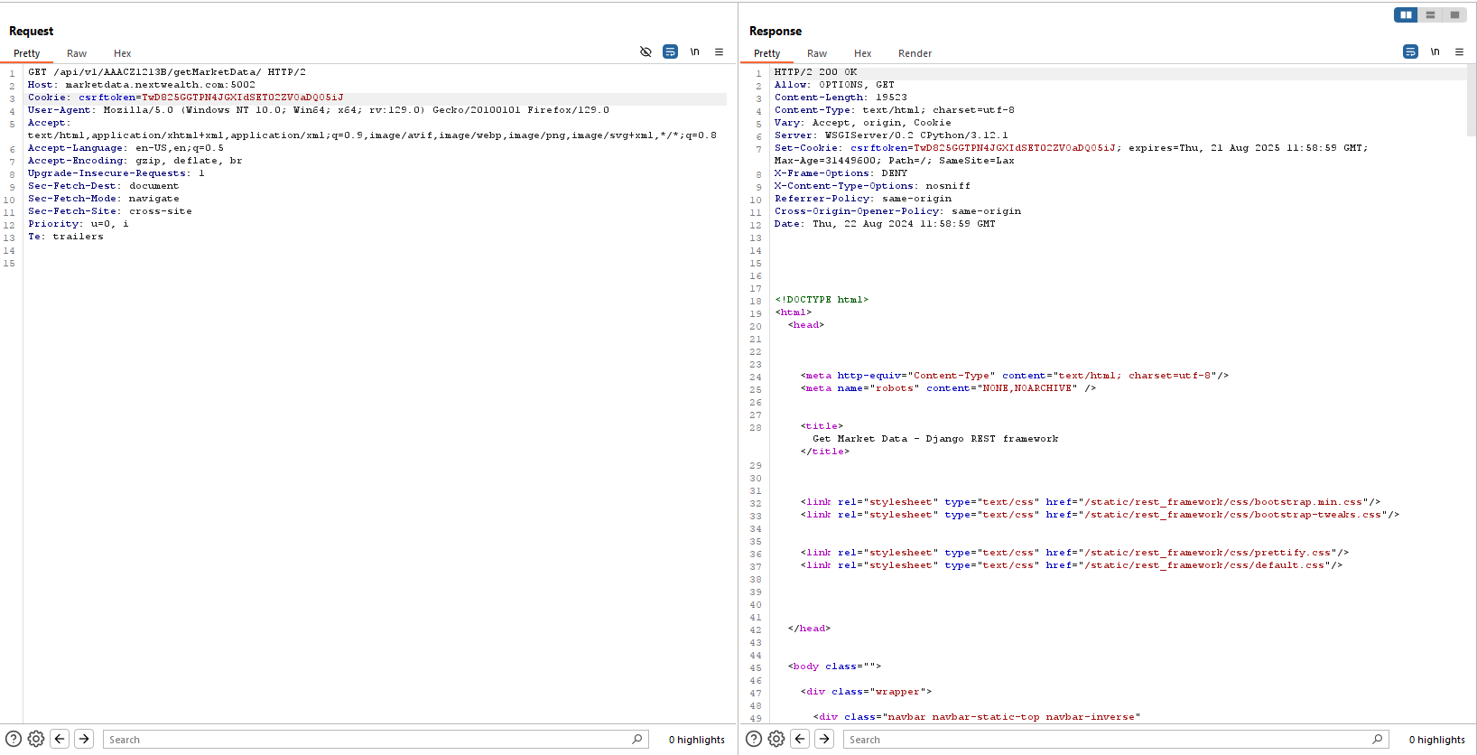

CSRF Token Not Being Validated
Scenario:1
Step 1: Intercept the request using Burp suite |  | Step 2: Remove the cookie field and send the request
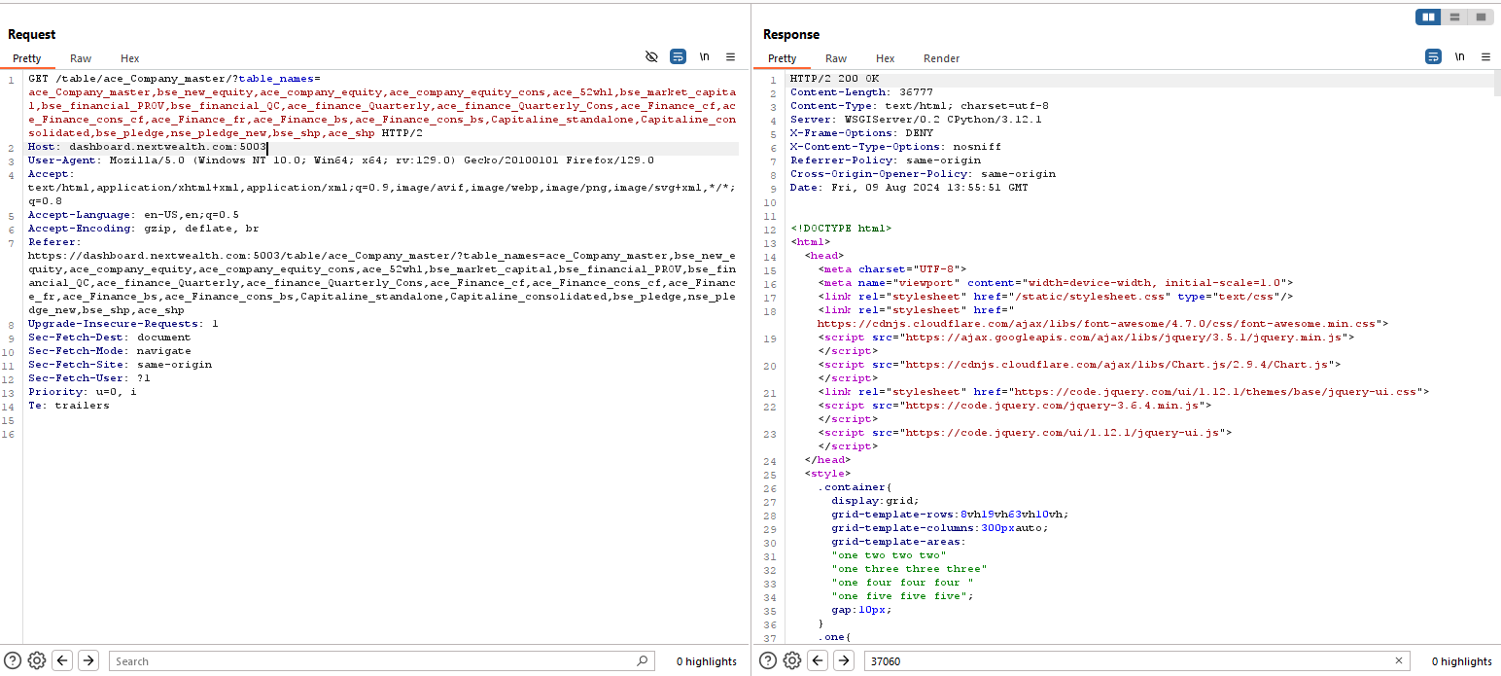

Scenario:2
Step 1: Intercept the request using Burp suite |  | Step 2: Remove the cookie field and send the request
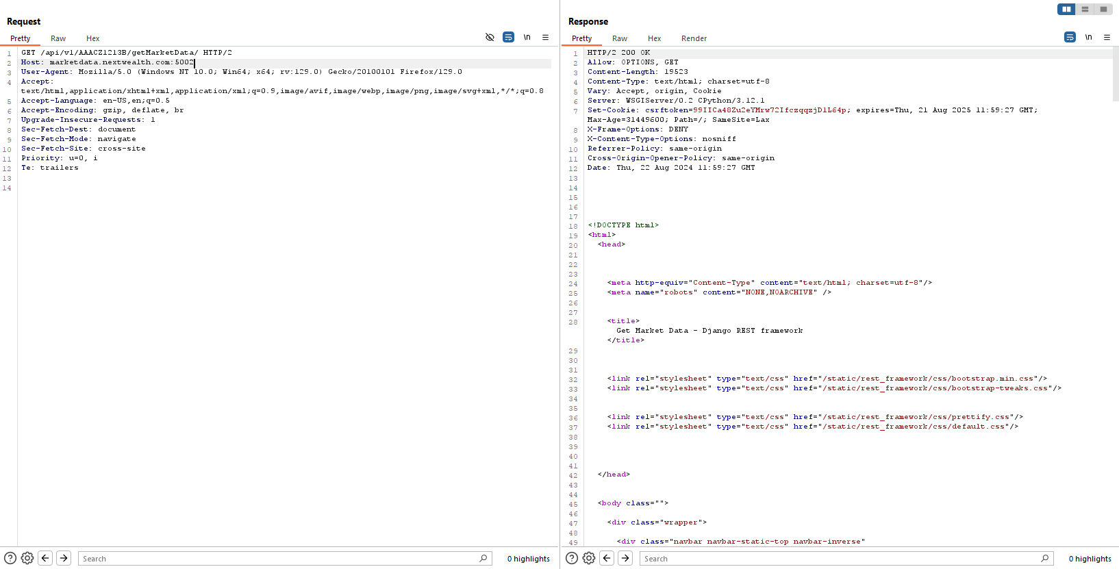

HTTP Methods Allowed

Step 1: Intercept the GET request using burp suite and send it to intruder |  | Step 2: Select the target location and start the attack |  |  | Step 3: Observe that the server accepts insecure http methods

